Instructions
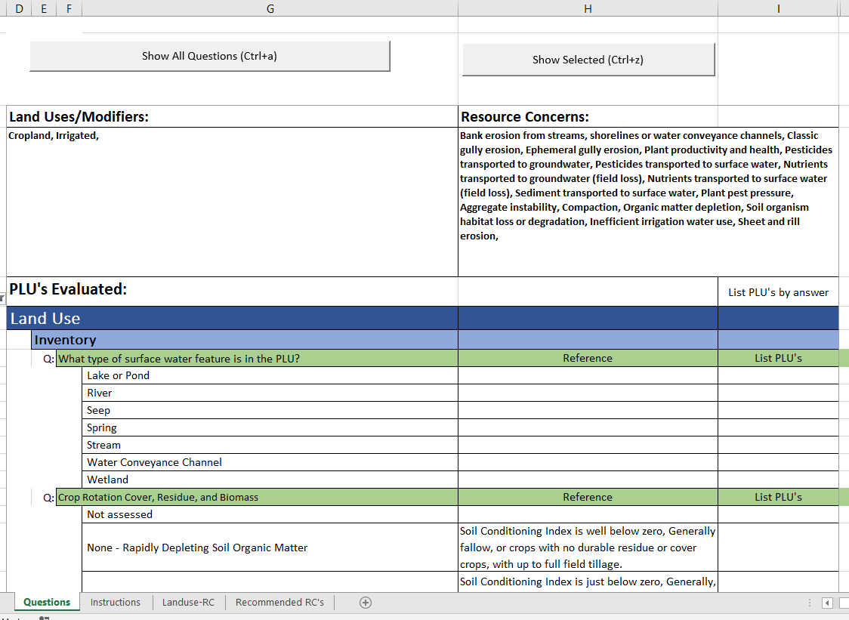
CART Assessment Questions Report Tool
This spreadsheet was developed from the CART Version 1.0 Resource Concern Assessment document dated January 27, 2020 as a tool to help planners identify the questions that will need to be answered in the CART tool based on selected Landuses, Land Use modifiers, Resource Concerns and other factors. Questions and information was correct as of this date. As updates to CART are completed, the information contained within may need to be updated. Questions or comments about this tool may be directed to Johnny Chism, Resource Conservationist for Planning, Harrison, Arkansas at johnny.chism@usda.gov.

How this tool can be used:
1. The tool can be provided to all users and they can develop their own list of questions based on local conditions.
2. The tool can be used by planning support specialists (State or Area level) to develop lists of questions for specific scenarios of land use, modifiers, resource concerns and other factors typical to their area to create hard copy lists of questions to be provided to field users saving time for field users.

The spreadsheet consists of five tabs:
Instructions tab: This page
Landuse-RC tab: Contains a form that allows the selection of Land Uses, Modifiers, Other Factors and Resource Concerns.
RC Print tab: shows the selected land uses, modifiers and resource concerns to aid the planner in selecting those in CART.
Questions tab: Contains all the CART questions
Recommended RC's tab: A form that allows States or users to tailor the specific land uses that are recommended to be assessed for each landuse, modifier, other factor and Resource concern.

Instructions:
1. To begin, click on the Landuse-RC tab and make selections under the blue section 1). Land uses, 2.) Applicable Modifiers, and 3). Other Factors. Once these selections are made, resource concerns to be assessed will be highlighted in green based on the recommendations found on the Recommended RCs tab.
. . . . and resource oncerns.

2. Next make selections under blue section 4). Selection Resource Concerns to assess according to the desired one of the following three options:
A. Leave the default selection of Resource Concerns (RMS option). All recommended questions will appear on the report.
B. For minimim level progressive planning manually select one or more of the green highlighted recommended resource concerns. Once a recommended resource concern is manually selected, all others will be deselected and only questions for the selected green highlighted recommended resource concerns will appear on the report.
C. To progress beyond planning just the green highlighed recommended resource concerns and treat others as determined through discussions with the client select one or more green highlighted recommended resource concerns and others as needed. Once at least one resource concern is selected, all others will be deselected and only questions for the manually selected resource concerns will appear on the report.
D. Note that if the user needs a printout of the selected land uses, modifiers and resource concerns to assist in identifying Resource Concerns to assess in CART, they may use the Print Selected Land uses, modifiers and RC's button.

3. Once the resource concerns are selected, Click the Prepare Form button in the upper right or press Ctrl+z on the keyboard to generate the applicable CART Assessment Questions Report. At the bottom of the Landuse-RC there are buttons to Clear Landuses, modifiers and other factors and Clear Resource Concerns to use as needed. There is also a link to allow the updating of recommended resource concerns to better fit local conditions.

4. Chose to print only the selected questions or all questions in the report. The prepare form button defaults to only the questions applicable to the selected landuse, modifier, other factors and resource concern combination expanded. All other landuses, modifiers, other factors and resource concern combinations will be collapsed. Note that all header information will be displayed to help the user identify the location of the questions in the CART tool.
The user may print the list of applicable questions (note: using the page break preview in excel may help to adjust page breaks to not print in the middle of a question).
The user may use the Show All Questions button or Ctrl+a to expand all questions. Note pressing Show Selected or Ctrl+z again will re collapse all questions to just the applicable ones.
The user may go back to the Landuse-RC tab to add Landuses, modifiers, other factors or resource concerns or clear the current selections and re-select.

The user will be taken to the questions tab with only questions applicable to the selected landuse, modifier, other factors and resource concern combination expanded. All other landuses, modifiers, other factors and resource concern combinations will be colapsed. Note that all header information will be displayed to help the user identify the location of the questions in the CART tool.
The user may print the list of questions (note: using the page break preview in excel may help to adjust page breaks to not print in the middle of a question).
The user may also use the Show All Questions button or Ctrl+a to expand all questions. Note pressing Show Selected or Ctrl+z again will re collapse the questions.
The user may go back to the Landuse-RC tab to add Landuses, modifiers, other factors or resource concerns or clear the current selections and re-select.

